RL-ref
RL Modules |  |  | Capri Modules

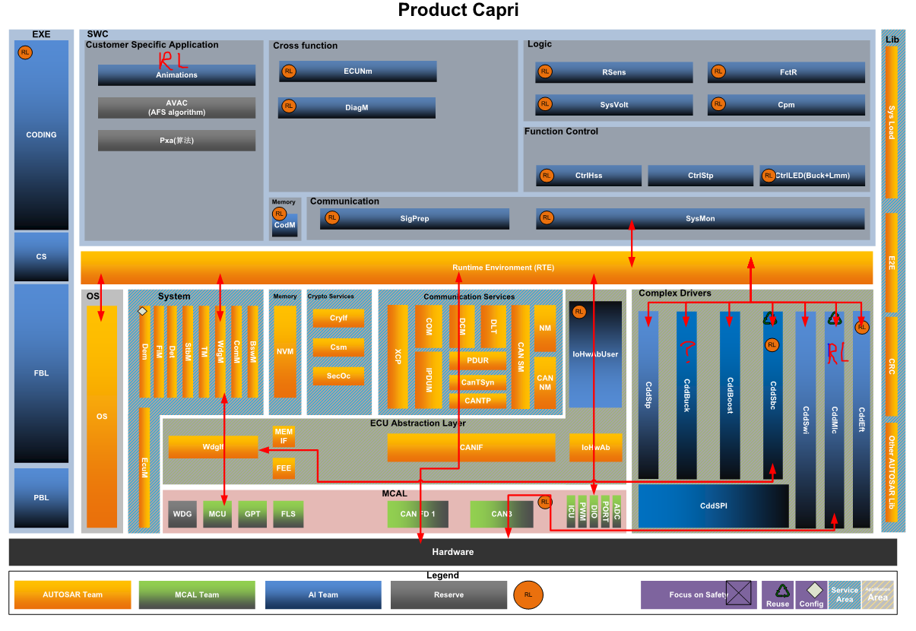
DIA | E16 RL New |  | DiagM/Com
DTC |  |  | DiagM/Com/NvM
CAN |  |  | CAN APP/ Com
NM |  |  | CAN NM
SYSVOLT |  |  | SysVolt
Fault detect | Pegesus |  | ??
TPS929120_CTRL |  |  | FctR/CtrlLED…
LIN_CUST
TPS929120_Cartn |  |  | Animations
Appliction CFG |  | Mapping ->
LIN_SLAVE_DRV
TPS929120_DRV |  |  | CddMlc
TLE926x_DRV |  |  | SBC
Clock
PORT
ADC
WDG
Interrupt
SPI
LIN
GPT
DFlash

Microcontroller Abstraction(MCAL)

